Information Gain Calculator
Instructions: Create any confusion matrix by inputting values for cells labelled a, c, and e. |  |  |  |  |  |  |  |  |  | The spreadsheet outputs entropy (information) measures for all relevant distributions.

 | Confusion Matrix |  |  |  | Test Classification Y |  |  |  |  |  | Percentage Information Gain (P.I.G.)
 |  |  |  |  | [optical scanner on assembly line] |  |  |  |  |  | A correlation measure defined as mutual information between X and Y
 |  |  |  |  | "Positive" |  | "Negative" |  |  |  | divided by the entropy of the Condition X
 |  |  |  |  | 0.5 | c | 0.5 | d |  |  | I(X;Y) | 0.0788 | bits
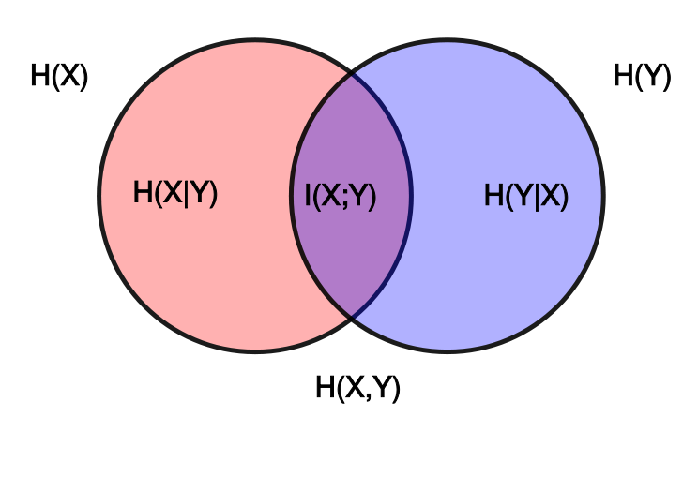
 |  |  |  |  |  |  |  |  |  |  | divided by
 | Condition X | "+" | 0.2 | a | 0.036 | e | 0.164 | f |  |  | H(X) | 0.7219 | bits
 | [defective computer chip] |  |  |  |  |  |  |  |  |  | equals
 |  | "-" | 0.8 | b | 0.464 | g | 0.336 | h |  |  |  | 10.92%
 |  |  |  |  |  |  |  |  |  |  | Average reduction in uncertainty of one outcome in X upon learning one outcome in Y

 | Individual Probabilities |  | Name
 | P("+") | a | Incidence of Condition "+" |  |  |  |  |  | H(X) | = a*log(1/a) | + b*log(1/b) |  | I(X;Y) = | H(X) | - H(X|Y)
 | p("-") | b | Incidence of "Condition "-" |  |  |  |  |  | 0.7219 | 0.4644 | 0.2575 |  | 0.0788 | 0.7219 | 0.6431
 | p(Test POS) | c | Classification Incidence "POS"
 | p(Test NEG) | d | Classification Incidence "NEG" |  |  |  |  |  |  |  |  |  | I(X;Y) = | H(Y) | - H(Y|X)
 | p(Test POS, "+") | e | True Positives |  |  |  |  |  | H(Y) | = c*log(1/c) | + d*log(1/d) |  | 0.0788 | 1.0000 | 0.9212
 | p(Test NEG, "+") | f | False Negatives |  |  |  |  |  | 1.0000 | 0.5000 | 0.5000
 | p(Test "POS, "-") | g | False Positives |  |  |  |  |  |  |  |  |  | I(X;Y) = | H(X) | + H(Y) | - H(X,Y)
 | p(Test "NEG", "-") | h | True Negatives |  |  |  |  |  |  |  |  |  | 0.0788 | 0.7219 | 1.0000 | 1.6431

 | Probability Distributions |  |  |  | Name |  |  |  | H(X,Y) | = e*log(1/e) | + f*log(1/f) | + g*Log(1/g) | + h*log(1/h)
 | P(X) |  | p(a,b) |  | Probability of the Condition |  |  |  | 1.6431 | 0.1727 | 0.4278 | 0.5140 | 0.5287
 | P(Y) |  | p(c,d) |  | Probability of the Classification
 | p(X,Y) |  | p(e,f,g,h) |  | Joint Distribution of X and Y |  |  |  | 0.036 | e | 0.16 | f | 0.46 | g | 0.34 | h
 | P(X)p(Y) |  | p(ac,ad,bc,bd) |  | Product Distribution of X and Y |  |  |  | 0.1 | ac | 0.10 | ad | 0.40 | bc | 0.40 | bd

 | Definition of Independence P(X,Y) = P(X)p(Y)
 | X, Y Independent or Dependent?
 | Dependent |  |  |  |  |  |  |  | Mutual Information I(X:Y) = Relative Entropy of Joint and Product Distributions --- D(p(X,Y||p(X)p(Y))
 |  |  |  |  |  |  |  |  | = e*log(e/ac) | -0.05306152278 | + f*log(f/ad) | 0.11704611363 | + g*log(g/bc) | 0.099353909684 | + h*log(h/bd) | -0.084517025711
 | Conditional Probabilities |  |  |  | Name |  |  |  | 0.0788
 | p(Test POS | "+") |  | e/a | 0.18 | True Positive Rate
 | p(Test NEG | "+") |  | f/a | 0.82 | False Negative Rate |  |  |  |  |  |  |  |  |  |  |  | Copyright Daniel Egger/ Attribution 4.0 International (CC BY 4.0)
 | p(Test POS | "-") |  | g/b | 0.58 | False Positive Rate |  |  |  | H(Y|X) | = (a | *H(e/a, f/a)) | + | (b | *H(g/b, h/b) |  |  | Venn diagram courtesy of Konrad Voelkel - Wikipedia: https://en.wikipedia.org/wiki/Information_diagram
 | p(Test NEG | "-") |  | h/b | 0.42 | True Negative Rate |  |  |  |  | 0.2000 | 0.6801 |  | 0.8000 | 0.9815
 |  |  |  |  |  |  |  |  | 0.9212
 | p("+" | Test POS) |  | e/c | 0.07 | Positive Predictive Value (PPV)
 | p( "-" | Test POS) |  | g/c | 0.93 | 1- PPV
 | p("+" | Test NEG) |  | f/d | 0.33 | 1- NPV |  |  |  | H(X|Y) | = (c | *H(e/c, g/c) | + | (d | *H(f/d, h/d)
 | p("-" | Test NEG) |  | h/d | 0.67 | Negative Predictive Value (NPV) |  |  |  |  | 0.5000 | 0.3733 |  | 0.5000 | 0.9129
 |  |  |  |  |  |  |  |  | 0.6431
 | "Relative Entropy" of p and q, written D(p||q)
 | is the summation of all p(i)*log(p(i)/qIi)
 | It is also called "Kullback-Leibler Divergence" (or "KL Divergence" for short)
 | The Relative Entropy of the Joint distribution p [row 28] and the product distribution q [row 29] is the mutual information [cell L35]
 | [Note that this definition is not required for Course - advanced topic]

Brief Description
Imagine a massive factory assembly line that manufactures computer microchips. The factory produces tens of millions of chips per year. Defective chips have in the past been discarded after electronic testing, which is very accurate, but slow and expensive. Based on the “gold standard” of electronic testing, 20% of chips are found to be defective and are discarded.
If it were possible to identify and discard some or all of the defective chips without the need for electronic testing, chip production costs would be much lower. Factory Management installs an optical scanner on the assembly line that photographs the chips while they are moving down the assembly line. The scanner software identifies shapes that vary by more than a specified amount from a standard template. The scanner can forecast which chips are defective without slowing down the assembly line.
However, optical scanning is not perfect – there will always be some false positive and false negative classifications. Consider the default values given in the spreadsheet. When the optical scanner is installed, and is set to classify the top 30% of measured shape variations as positive for defects [cell G7] the test’s false positive rate is 25% [cell F38] and its false negative rate is 50% [cell F37].
Uncertainty about whether a chip is defective or not, before it is scanned, can be measured: H(.2,.8) = .7219 bits [cell O9].
Uncertainty about whether a chips is defective or not, after it is scanned and classified, is H(X|Y) = .3*H(1/3, 2/3) + .7*H(.14, .86) = .6896 bits [cell O45].
The reduction in uncertainty between the two is the “Mutual Information” between X and Y, written I(X;Y). This is .7219 - .6896 = .0323 bits [Cell P17].
Taking the ratio of mutual information obtained to entropy before scanning, .0323/.7219, gives a 4.47% Reduction in Uncertainty; also called the Percentage Information Gain [P.I.G.].
Changing Spreadsheet Inputs
This Spreadsheet allows you to create any valid Confusion Matrix. Input three values:
Condition Incidence (labeled a) [cell E9],
Test Incidence (labeled c) [cell G7], and
Joint Probability that a classification will be a True Positive (labelled e) [cell G9].
*The Spreadsheet automatically calculates all other Confusion Matrix values.
Try for yourself what happens to the performance metrics when the defect-forecasting software in the optical scanner is improved so that only 15% of chips are classified positive [cell G7], while the probability of a true positive classification remains constant at 10%.
The false positive rate falls from 25% to 6% [cell F38] while the false negative rate is unchanged.
The new uncertainty about whether a chips is defective or not, after it is scanned and classified, is less - .5819 bits [cell O45].
The new “Mutual Information” between X and Y, is more - .7219 - .5819 = .14 bits [Cell P17].
The new P.I.G is also higher - 19.39% [cell O11].
Determining Dependence or Independence of two Probability Distributions
The spreadsheet demonstrates multiple ways to calculate the Mutual Information between two binary probability distributions, including comparing their Joint Distribution [cells L28 to S 28] and their Product Distribution [cells L 29 to S 29].
When the joint distribution and the product distribution of two probability distributions X and Y are identical, then knowledge of X provides no reduction in uncertainty about Y, and vice versa. The Mutual information between the two distributions is zero. This state is called “independence.”
Try it for yourself: enter the product of a and c, (p(X = +)*p(Y = POS)) = (.2)(.3) = .06 into the cell labeled e [G9].
Note first that the three other joint distributions in the Confusion Matrix [cells L28 to S28] all become equal to their product distributions [cells L29 to S29]. When every value in a joint distribution p(X,Y) equals the product distribution p(X)p(Y), the Mutual Information and Percentage Information Gain equal zero.
In addition, because there is no intersection I(X;Y) between the regions H(X) and H(Y) in the Venn Diagram [Columns W-AH] , the sum H(X) [cell L17] plus H(Y) [cell L21] equals H(X,Y), 1.6032 bits [cell L26].

